Help
RETURN TO CALCULATOR

Tips for using the Glazing Calculator:

In addition to the information offered here, the ABCB has prepared a document to explain the changes
to the Volume Two glazing provisions introduced with BCA 2010. It is available for download from the
ABCB website.

 | Calculator version (2.04):
1 |  | Version 2.05 of the Glazing Calculator was first issued for use under Part 3.12.2 External Glazing of BCA 2014 Volume Two (Housing Provisions).
2 |  | Updates to this file may be available for download from the ABCB website from time to time. The file name will include the version number. The latest version should always be used.
3 |  | A record of changes made to each version of the Glazing Calculator appears at the end of this Help section. (Scroll down to see the version history.)

 | Operating system:
4 |  | The Glazing Calculator has been developed in the Windows ® versions of Microsoft Excel ® 2003 and 2007/10. Two separate file formats (.xls and .xlsx) are offered due to formatting incompatibilities between Excel versions.
5 |  | The .xlsx file is suitable for use in the 2007 and 2010 versions of Excel for Windows and in the 2011 version of Excel for Apple Mac ®. These Help instructions and the screenshots refer to the Windows version and may not fully reflect the Mac interface.
SHOW SCREENSHOT 1
 | Displaying the Calculator form:
6 |  | The Calculator form has been designed for viewing as a whole "page" with 10 rows visible in the glazing elements table (at 100% zoom - assuming a minimum screen resolution of 1024 x 768 pixels).
7 |  | Some users may need to adjust the screen zoom setting to see the whole form at once. The worksheet background does not change when zoom settings are altered and also does not print.
8 |  | Users with Excel 2002 (Excel XP) or later for Windows and 2011 for Mac can change the number of rows visible by using the arrow to the left of the 'ID' heading near the top left of the glazing elements table. First set the number of rows preferred (maximum 80) in the input cell immediately above the table and press Enter. Next, click the arrow beside 'ID' and select that number in the drop-down list which opens. (The number set will be the only number shown in the list.)
9 |  | The input cell for the number of rows preferred will not accept numbers that would cause data used by calculations to be hidden. (This data includes inputs to the 'Facing sector' column and those to its right.) A warning message will be displayed if this is attempted.
SHOW SCREENSHOT 2
 | Adding and changing glazing details:
10 |  | Yellow filled cells on the Calculator form are accessible for user input. (Other cells generally cannot be selected or edited, except as noted below for the glazing elements table.)
11 |  | When all input cells at the top of the Calculator form are blank, advisory messages (for new users) will appear in sequence above each of the cells needing input. A cell with an input advice message will also be coloured green until data is entered. Press Enter or Tab after typing inputs to move to the next available cell.
12 |  | In the glazing elements table, all white cells below the heading rows are accessible but they are not yellow filled by default. Accessible cells in each row will be yellow filled once an orientation sector has been given.
13 |  | Light green filled cells to the right of the table contain calculations whose results can be seen but not edited. To change results, change the user inputs.
14 |  | Any of the yellow filled cells can be selected and edited. Adjoining yellow filled cells can be selected in a block (or range) to clear their contents at the same time.
15 |  | To remove unwanted data, select the cell or range, right click to show the context menu and select Clear Contents from that menu. Alternatively (in Windows), use the Delete key.
16 |  | If copying data between cells, always use Paste Special | Paste Values to avoid formatting errors on the Calculator form.
17 |  | Details above the glazing elements table (including at least one Floor type) and at least one glazing element must be supplied for Calculator outcomes to be displayed.
SHOW SCREENSHOT 3
 | Error and alert messages:
18 |  | The Calculator has been designed to identify anticipated input errors but may not trap all invalid inputs.
19 |  | Identified issues concerning inputs above the glazing elements table are flagged above the input cells.
20 |  | Input issues in each row of the glazing elements table are identified in bold red font to the right of the row (overlaying the calculations area).
21 |  | Missing inputs anywhere on the form are generally highlighted by tan fill. Invalid inputs or those which may be contributing to outcomes failures are highlighted by orange fill.
22 |  | Calculator outcomes cannot be displayed until all input issues have been resolved (which will clear any colour highlighting and advisory messages). Several messages may appear in sequence for the same row as issues are resolved.
23 |  | Calculator outcomes resulting in a "tick" are valid only if all of the input details comply with BCA elemental DTS requirements. The claimed Air Movement level must be verified by separate calculation since this is not checked by the Calculator.

 | Printing:
24 |  | The Calculator form can be printed using the File | Print menu.
25 |  | The print area has been pre-set to allow printing as one or more A4 pages (landscape format), depending on the number of rows displayed in the form. Some margins may need to be adjusted to suit some printers (particularly inkjets).
26 |  | The Help button shown on the top right of the Calculator form, the coloured band behind the form title and the coloured background are not intended to print as part of the form (to reduce ink or toner usage).
27 |  | These Help instructions can be printed (using File | Print) for ready reference while using the Calculator form.

 | Users' worksheet:
28 |  | A protected worksheet with most cells accessible has been provided for users' notes and calculations. (Protection is essential to maintain the integrity of the Calculator but does restrict the functions and operations available to the user.) The Worksheet can be accessed by selecting its tab at the bottom of the Excel window.
29 |  | Calculation of air movement levels, for example, may be done on the users' worksheet. Cells can be linked by formulae to the Calculator input cells or to cells in other Excel files.
30 |  | Use of this worksheet is optional and responsibility for its contents and consequences remains entirely with the user.

 | Version history:
 | 2.05 (May 2014):
 | • | Removed case sensitivity of inputs for Air Movement on the Calculator form.
 | • | Revised text of cell tips behind the "Total System U-Value" and "Total System SHGC" column headings on the Calculator form.

 | 2.04 (May 2013):
 | • | Changed "Total U-Value" and "SHGC" to "Total System U-Value" and "Total System SHGC" to reflect changes to BCA 2013.

 | 2.03 (December 2011):
 | • | Modified Calculator formatting and error reporting for compatibility with Excel 2010 on Windows and 2011 on Mac.
 | • | Increased the maximum number of rows available in the glazing elements table from 40 to 80.
 | • | Revised Help notes and screenshots to suit Calculator changes.

 | 2.02:
 | • | Fixed display of constants at upper right of form for Suspended floors.

 | 2.01:
 | • | Changed "NFRC" to "AFRC" in headings of Total U-Value and SHGC columns.
 |  | (AFRC refers to the Australian Fenestration Rating Council. See cell comments in headings,)

 | 2.00:
 | • | First public issue of extensively revised version for use with BCA 2010.

 | 1.03:
 | • | Merged building description text box to become one cell.
 | • | Added additional explanatory information for entering Standard and High Air Movement levels.

 | 1.02:
 | • | Enabled interpolation of Air Movement levels between Standard and High
 | • | Fixed display of glazing percentages below Floor type table when both floor types are used.
 | • | Changed second row title of Floor type table to "Area of floor" to match term in Clause 3.12.2.1(a).
 | • | Added input tips (describing Floor types A and B) to the input cells for "Area of floor".
 | • | Added a worksheet for users' notes and calculations (and displayed worksheet tabs for access).
 | • | Updated screenshots.

 | 1.01:
 | • | Enhanced input cues for data needed above the glazing elements table.
 | • | Added a new note 3 to Help notes and revised text of note 18 (formerly note 17).
 | • | Added this Version history to the Help screen.

 | 1.00:
 | • | First public issue.

Screenshots
RETURN TO CALCULATOR
RETURN TO HELP
1. | Displaying the Calculator form:

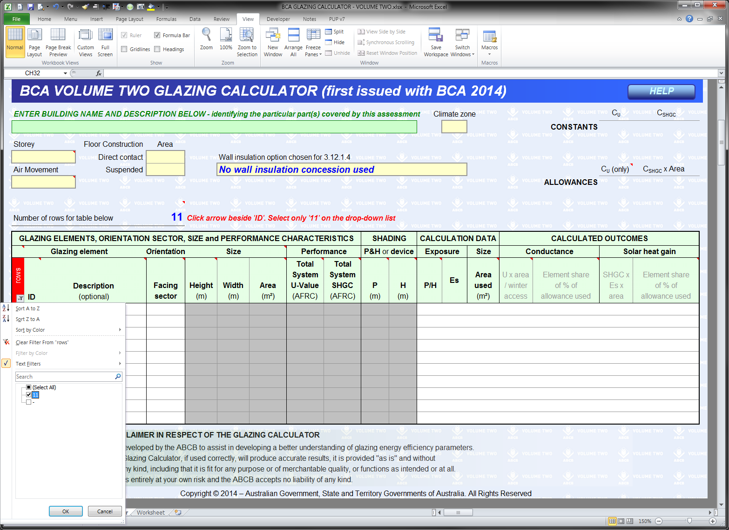
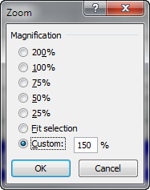
To change the number of rows displayed (step 1 of 2):
Input the required number of rows here and press Enter. Note the advice in red to the right of the number.
(This cell will not accept numbers that would cause rows with data to be hidden.)
Status bar zoom controls:
In Excel 2007 and later for Windows.
To change the number of rows displayed (step 2 of 2):
Click the arrow in the red filled cell and then select the only number in the drop down list.
(This number will always match the number set in step 1.)
To change the size of the form on screen:
Use the Zoom box on the View tab of the Ribbon or adjust the slider on the Status Bar (below right - in Windows only).

RETURN TO CALCULATOR
RETURN TO HELP
2. | Adding and changing glazing details:

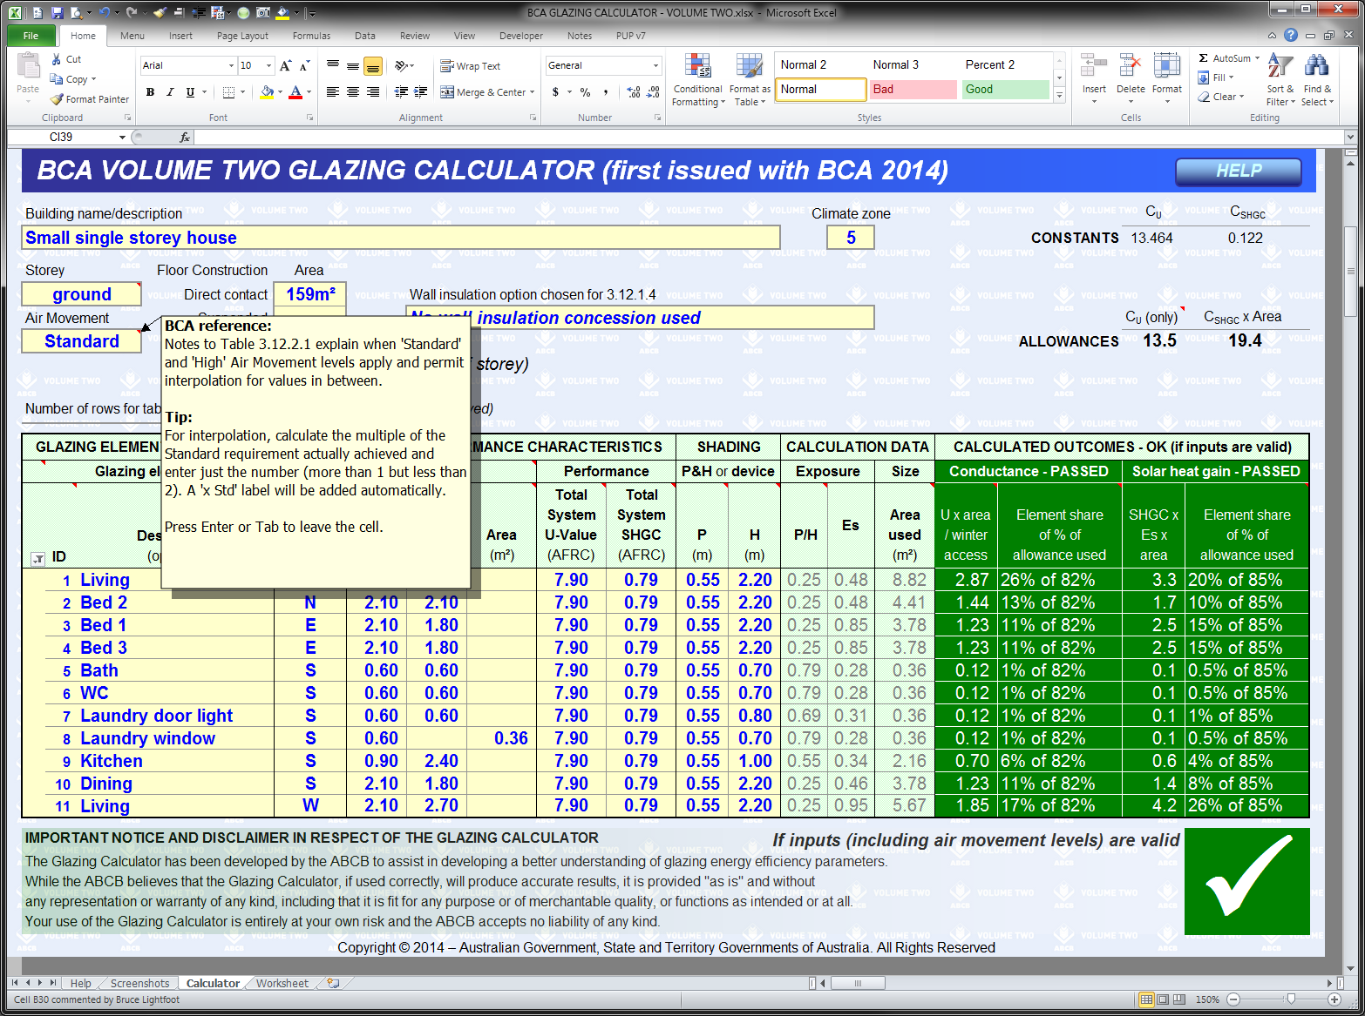
Cell tips:
Cells with red triangles have popup tips with advice or explanations about inputs or outcomes.
Inputs above the glazing elements table:
Upper inputs should be completed before listing glazing elements. Initial green fill (as seen in Screenshot 1 above) will be replaced by yellow as data is entered.
Inputs to the glazing elements table:
Rows remain uncoloured until the Facing sector input has been given. Yellow filled cells in each row accept user inputs.
Users' worksheet:
The worksheet on this tab allows for recording of notes and calculations (if desired).
Glazing allowances:
The Calculator provides these details once necessary inputs have been given.
Calculation data:
Light green filled columns show results of user inputs to the left. These results are for information and cannot be modified except by changing the inputs.
Calculated outcomes:
Outcomes for the glazing design appear here (unless the Calculator identifies input issues).
The column headings, a tick and green cell fill indicate passes. A cross and red cell fill highlight failures.
Area of each floor type on each storey:
Each storey needs a separate calculator form.
An area must be given for at least one type of Floor Construction but a second floor type on the same storey can also be entered.

RETURN TO CALCULATOR
RETURN TO HELP
3. | Error and alert messages:

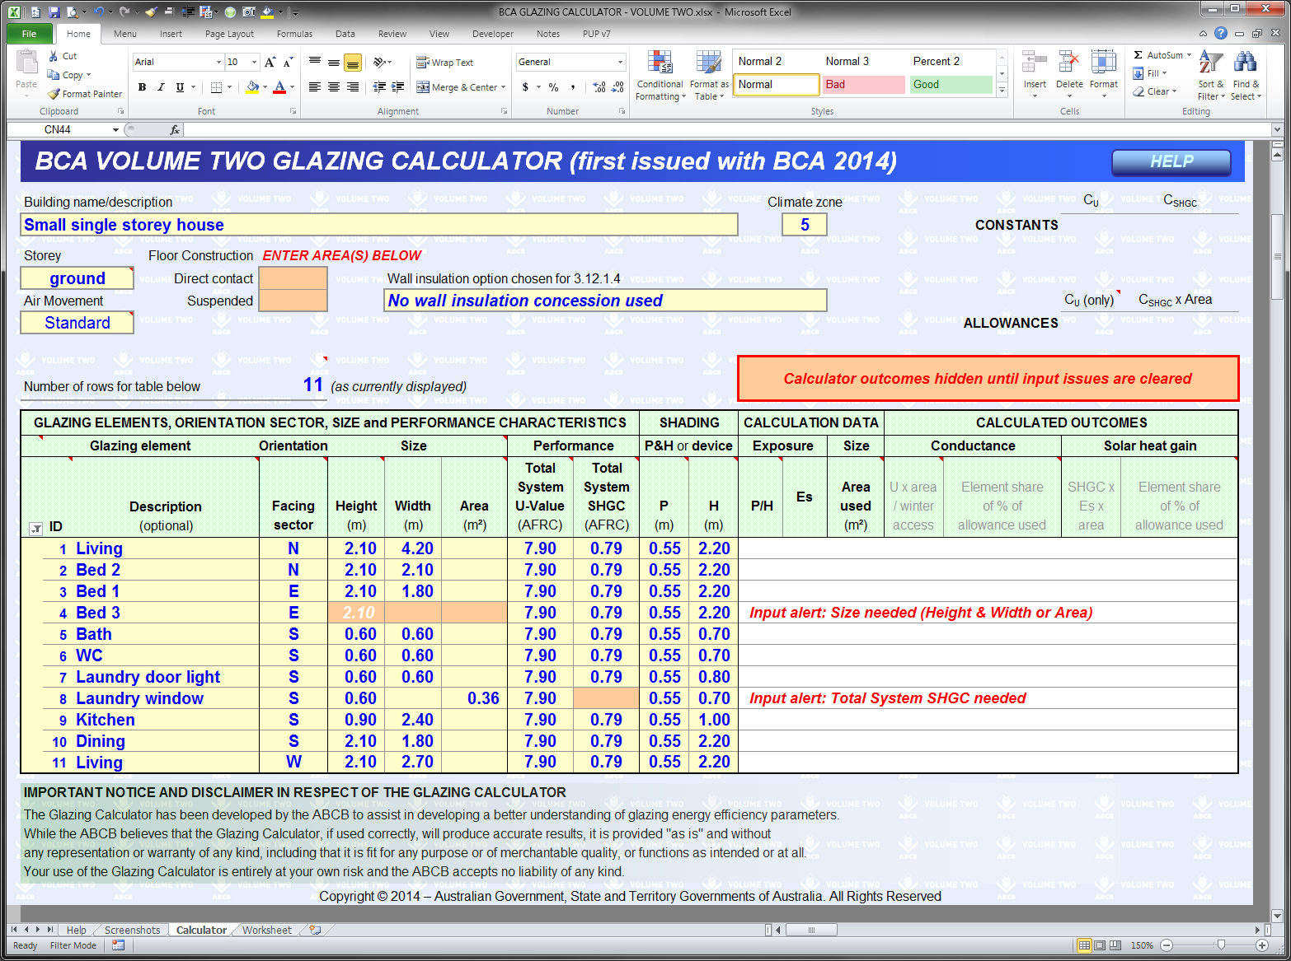
Messages above the glazing elements table:
Red text and tan fill highlight inputs missing after glazing elements have been listed.
Colour fills:
Cell colour highlights inputs mentioned in Error or Input alerts.
Input issues alert:
Calculated outcomes are hidden until all input issues are resolved.
Messages within the glazing elements table:
Each message here refers to the individual row in which it appears. In the first case, the glazing element has no size information. Height and Width are needed or (optionally) a value for the element area.

Calculator
HELP
 | NCC VOLUME TWO GLAZING CALCULATOR (first issued with NCC 2014)
Building name/description |  |  |  |  |  |  |  |  |  |  |  |  |  | Climate zone |  |  |  | CU | CSHGC
 | Case Study - Typical Brick Veneer House |  |  |  |  |  |  |  |  |  |  |  |  | 6 |  |  | CONSTANTS | 6.418 | 0.153
Storey |  |  |  | Floor Construction | Area
 | 1 |  |  | Direct contact | 116m² |  | Wall insulation option chosen for 3.12.1.4
(only)
 | Air Movement |  |  | Suspended |  |  | No wall insulation concession used |  |  |  |  |  |  |  |  |  |  | CU | CSHGC x Area
 | Standard |  |  | Area of storey | 116m² |  |  |  |  |  |  |  |  |  |  |  | ALLOWANCES | 6.4 | 17.7
 |  |  |  | Area of glazing | 24.8m² | (21% of area of storey)
 | Number of rows for table below |  |  |  | 10 | (as currently displayed)

 | GLAZING ELEMENTS, ORIENTATION SECTOR, SIZE and PERFORMANCE CHARACTERISTICS |  |  |  |  |  |  |  |  |  | SHADING |  | CALCULATION DATA |  |  | CALCULATED OUTCOMES
 | Glazing element |  |  |  | Orientation |  | Size |  | Performance |  | P&H or device |  | Exposure |  | Size | Conductance - FAILED |  | Solar heat gain - PASSED
 |  | ID | Description (optional) |  | Facing sector | Height (m) | Width (m) | Area (m²) | Total System U-Value (AFRC) | Total System SHGC (AFRC) | P (m) | H (m) | P/H | Es | Area used (m²) | U x area / winter access | Element share of % of allowance used | SHGC x Es x area | Element share of % of allowance used
 | 10 | 1 | G1 |  | NE | 1.80 | 1.80 |  | 7.90 | 0.81 | 0.60 | 1.90 | 0.32 | 0.66 | 3.24 | 1.83 | 13% of 219% | 1.7 | 13% of 77%
 | 10 | 2 | G2 |  | NE | 1.80 | 1.80 |  | 7.90 | 0.81 | 0.60 | 1.90 | 0.32 | 0.66 | 3.24 | 1.83 | 13% of 219% | 1.7 | 13% of 77%
 | 10 | 3 | G3 |  | NE | 1.80 | 1.80 |  | 7.90 | 0.81 | 0.60 | 1.90 | 0.32 | 0.66 | 3.24 | 1.83 | 13% of 219% | 1.7 | 13% of 77%
 | 10 | 4 | G4 |  | NE | 1.80 | 1.80 |  | 7.90 | 0.81 | 0.60 | 1.90 | 0.32 | 0.66 | 3.24 | 1.83 | 13% of 219% | 1.7 | 13% of 77%
 | 10 | 5 | G5 |  | SW | 0.90 | 1.50 |  | 7.90 | 0.81 | 0.60 | 1.00 | 0.60 | 0.58 | 1.35 | 0.76 | 5% of 219% | 0.6 | 5% of 77%
 | 10 | 6 | G6 |  | SW | 2.10 | 2.40 |  | 7.90 | 0.81 | 0.60 | 2.20 | 0.27 | 0.77 | 5.04 | 2.85 | 20% of 219% | 3.1 | 23% of 77%
 | 10 | 7 | G7 |  | SW | 0.90 | 0.60 |  | 7.90 | 0.81 | 0.60 | 1.00 | 0.60 | 0.58 | 0.54 | 0.31 | 2% of 219% | 0.3 | 2% of 77%
 | 10 | 8 | G8 |  | SW | 0.90 | 0.60 |  | 7.90 | 0.81 | 0.60 | 1.00 | 0.60 | 0.58 | 0.54 | 0.31 | 2% of 219% | 0.3 | 2% of 77%
 | 10 | 9 | G9 |  | SW | 0.90 | 1.20 |  | 7.90 | 0.81 | 0.60 | 1.00 | 0.60 | 0.58 | 1.08 | 0.61 | 4% of 219% | 0.5 | 4% of 77%
 | 10 | 10 | G10 |  | SW | 1.80 | 1.80 |  | 7.90 | 0.81 | 0.60 | 1.90 | 0.32 | 0.73 | 3.24 | 1.83 | 13% of 219% | 1.9 | 14% of 77%

 | IMPORTANT NOTICE AND DISCLAIMER IN RESPECT OF THE GLAZING CALCULATOR |  |  |  |  |  |  |  |  |  |  |  |  |  |  |  |  |  | û
 | The Glazing Calculator has been developed by the ABCB to assist in developing a better understanding of glazing energy efficiency parameters. While the ABCB believes that the Glazing Calculator, if used correctly, will produce accurate results, it is provided "as is" and without any representation or warranty of any kind, including that it is fit for any purpose or of merchantable quality, or functions as intended or at all. Your use of the Glazing Calculator is entirely at your own risk and the ABCB accepts no liability of any kind.
 | Copyright © 2014 – Australian Government, State and Territory Governments of Australia. All Rights Reserved

Worksheet
Users' worksheet:
This worksheet has been added at the request of industry for recording notes and making calculations (where desired).
To maintain the integrity of the Calculator, this sheet is protected causing some unavoidable restrictions on the functions available.
All cells below row 8 are accessible for user input, editing and formatting, subject to the limitations due to protection.
Use of this worksheet is optional and responsibility for its contents and consequences remains entirely with the user.

RETURN TO CALCULATOR

